M.C.1.1
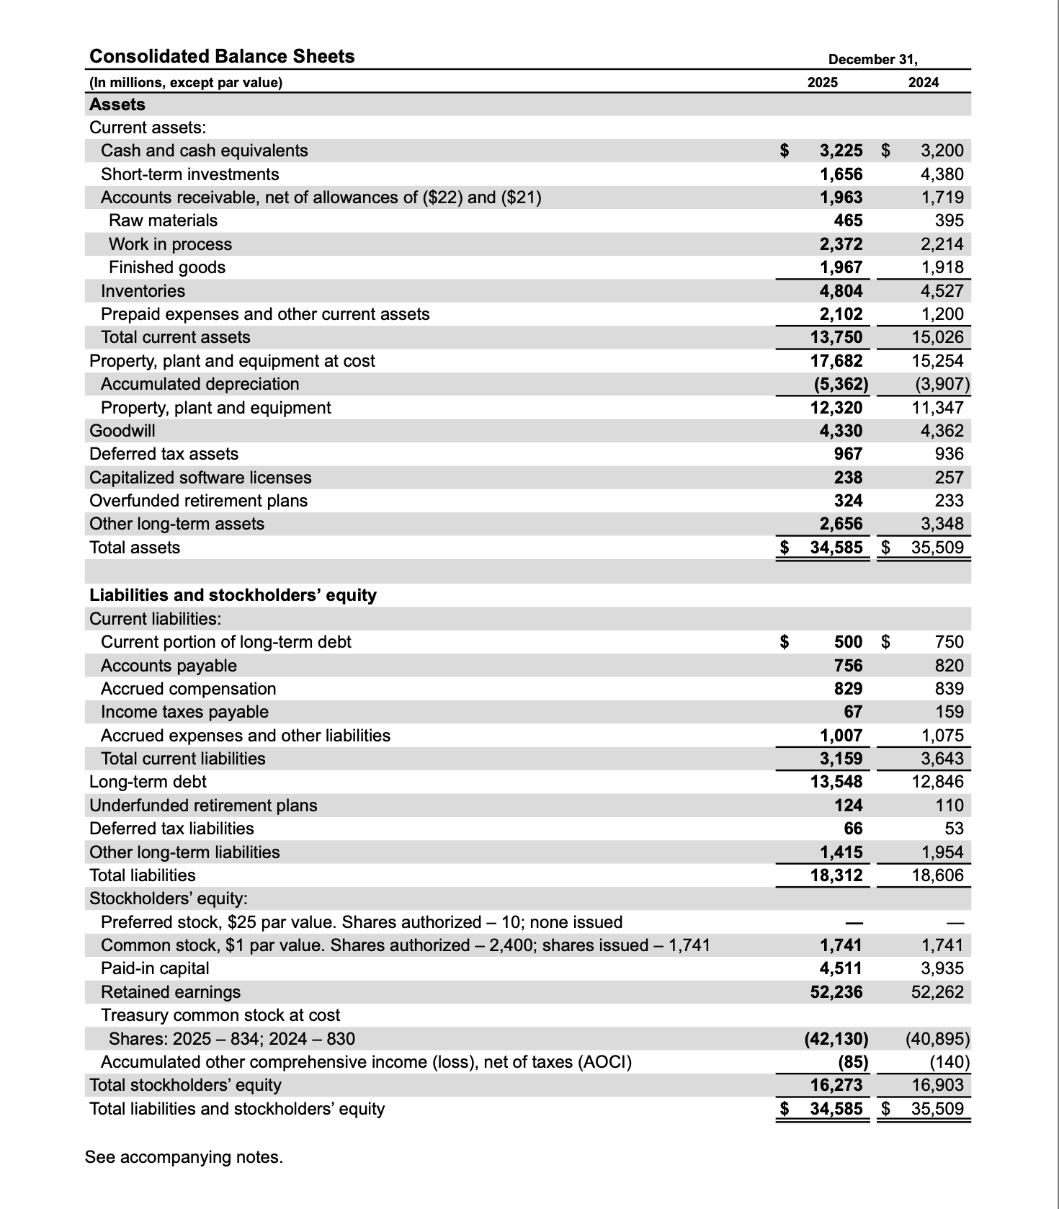
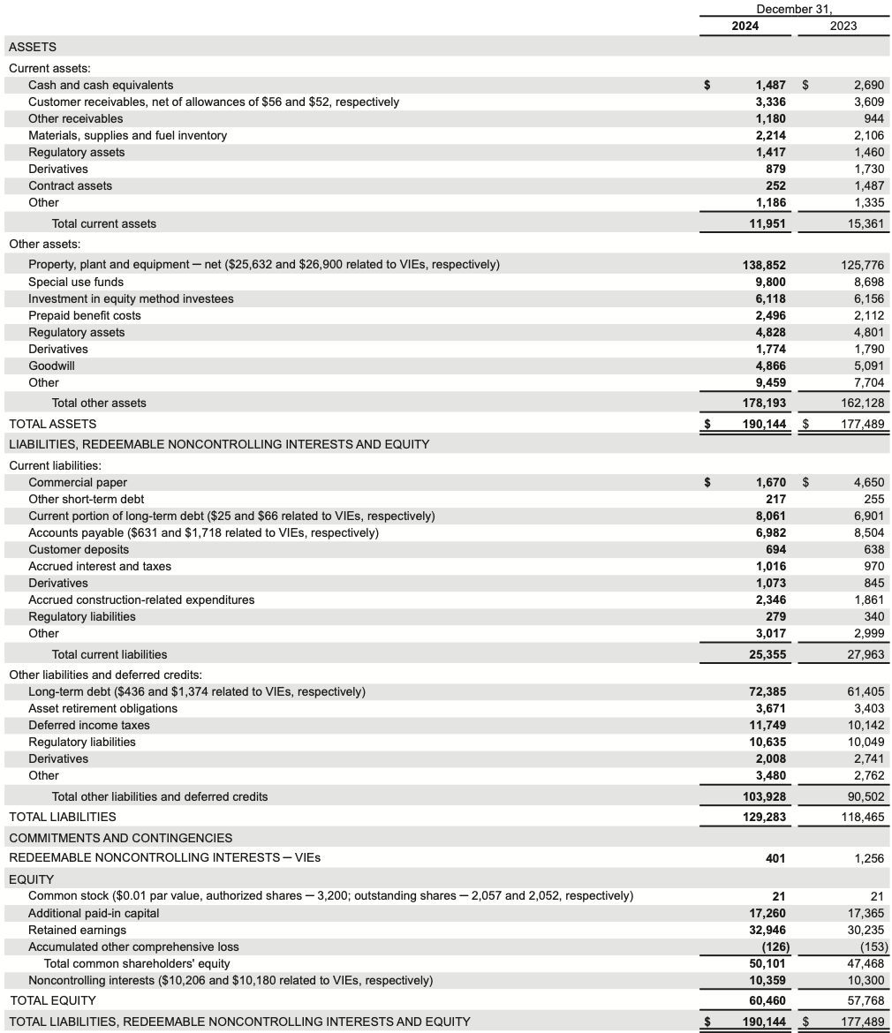
Mini-case 1.1
TASK A |  |  | Texas Instrument balance sheet | NextEra Energy balance sheet
 | Texas Instruments (2025) | NextEra Energy (2024)
Total assets | $34,585 | $190,144
Total liabilities | $18,312 | $129,283
Total value of equity | $16,273 | $60,460
Total value of long-term debt | $13,548 | $72,385
TASK B
Common stock, shares issued | 1741
Treasury common stock (bought back) | 834
Shares outstanding | 907 | 2057
Share price as of 31st of December 2025 (not in millions) | $173.49 | $68.60
TASK C
MV (Equity) | $157,355 | $141,110
TASK D
MV (Assets) = MV(D)+MV(E) | $170,903.43 | $213,495.20
*Book value of long-term debt is taken as a proxy for the debt MV
TASK E
Market-to-Book ratio | 9.670 | 2.334
I. There are basically two factors that lead to differences: the price per share and the stocks considered. For the market value we obviously consider the outstanding shares i.e., shares traded on the market. Perhaps in the balance sheet, we observe issued stocks. The stock price in the balance sheet is the price the company sold those stocks for, meanwhile for the MV(E) we take the current price of the stocks on the market (in our case as of 31.12.2025). II. The answer on this question hides in the assets structure of a company. In utility sector companies mostly have physical assets, market value of which doesn't differ much from its book values. Physical assets usually represent a significant part of the assets (~73% in the statement of NextEra). Thus, there is hardly anything what could make a big difference between book and market value of assets and, hence, book and market value of equity. On the other hand, tech-companies usually possess some non-physical assets (patents, intellectual property, brand value). These assets represent a significant value that doesn't necessarily appear in the balance sheets. This value increases the MV of the company's equity, which in turn can dramatically differ from the equity's book value.

Links
Texas Instruments official website: | https://www.ti.com
NextEra Energy official website: | https://www.nexteraenergy.com
Texas Instruments stock chart on Google Finance: | https://www.google.com/finance/quote/TXN:NASDAQ?window=6M
NextEra stock chart on Google Finance: | https://www.google.com/finance/quote/FP3:FRA?window=6M
Texas Instruments annual report 2025: | https://investor.ti.com/static-files/fc9d9346-cf77-40db-902a-e9961e9c5736
NextEra Energy annual report 2024: | https://www.investor.nexteraenergy.com/~/media/Files/N/NEE-IR/investor-materials/shareholder-resources/2025/2024%20NEE%20Annual%20Report.pdf

